in
Requirement ID | Test case ID | Defect_ID | Defect Title/Issue | Pre-condition | (Test-case) | Test Data | Expected Result | Actual Result | Attachment | Priority | Probability | Severity | Categorization | Defect Status2
Req_Amazon registration_001 | Amazon_reg_TC_001 | Bug_Amazon_reg_001 | the system not accept the the valid fields ( first name and last n ame - mobile number - password ) | registeration page is opened | Open the registration page on Amazon. 1- enter vaild first name and last name 2- enter valid mobile number 3- enter valid password 4- enter the same valid password re-enter 5- click on submit button | First and Last name:" Habiba Waleed " - mobile number +2001005314291 - password Aa1### - re-enter pass Aa1### - click submit | The system accept all field and navigated to the verify mobile number page | 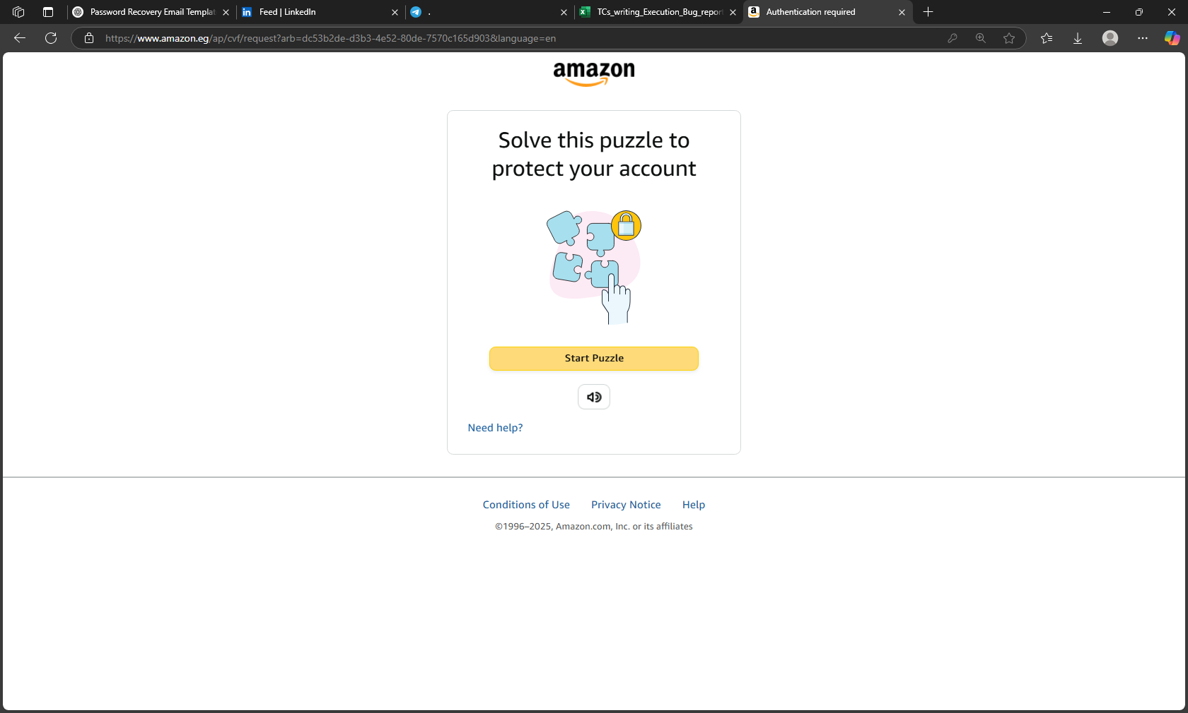 1-system not accept valid fields 2-the error messages didn't appear 3- the user was not navigate to the mobile verivication page |  | Medium | High | medium | Medium
Req_Amazon registration_005 | ?Amazon_reg_TC_005 | Bug_Amazon_reg_002 | the system accept invalid mobile number, i entered 9 number ,but it must be 10 digits after the country code and not show the error message | registeration page is opened | Open the registration page on Amazon. 1- enter vaild first name and last name 2- enter invalid mobile number 3- enter valid password 4- enter the same valid password re-enter 5- click on submit button | First and Last name : "Habiba Waleed" - mobile number: +2012053142 - password Aa1### - re-enter pass Aa1### - click submit | An error message should appear saying: "Please enter a valid mobile number with 10 digits after the country code +20." The user should not be navigated to the next page. | 1-accept invalid number 2-The system navigated user to the mobile verivication page. 3-show error message didn't appear |  | Low | Low | Low

